Voorblad
Explanatory note
Now the SDGs have been integrated in Monitor of Well-being, for the time being there will no longer be a separate CBS report on the SDGs. To complement the Report 'The SDGs in the Dutch context' The set of tables pubnlished in 2018 has been updated where possible. These tables also complrise indicators not included in the eport.

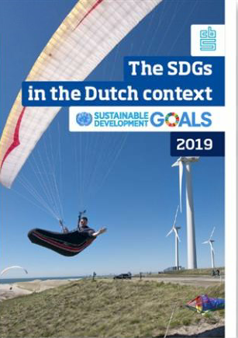
The SDGs in the Dutch context on the CBS website

Contents
SDG_01 | No poverty
SDG_02 | Zero Hunger
SDG_03 | Good health and well-being
SDG_04 | Quality education
SDG_05 | Gender equality
SDG_06 | Clean water and sanitation
SDG_07 | Affordable and clean energy
SDG_08 | Decent work and economic growth
SDG_09 | Industry, innovation and infrastructure
SDG_10 | Reduced inequalities
SDG_11 | Sustainable cities and communities
SDG_12 | Responsible consumption and production
SDG_13 | Climate action
SDG_14 | Life below water
SDG_15 | Life on land
SDG_16 | Peace, justice and strong institutions
SDG_17 | Partnerships for the goals

